Top 5 C. and resto for late del
Top 5 late delevery cities
Row Labels | Sum of Delivery time
Mumbai | 114
Pune | 174
Ahmedabad | 35
Bangalore | 138
Chennai | 191
Delhi | 116
Hyderabad | 36
Kolkata | 210

DASHBOARD
SWIGGY ORDER DATA

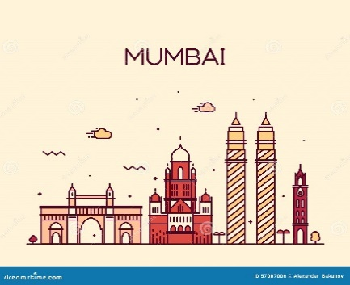
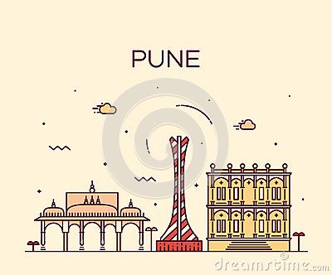
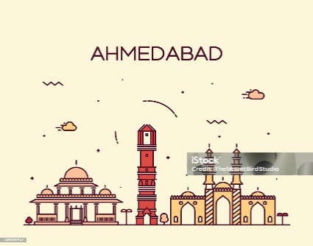
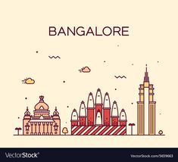
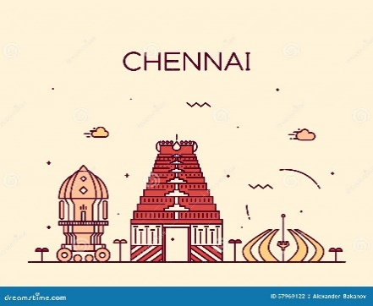




Ratings In City
 | Awesome
Mumbai | 70
Pune | 110
Ahmedabad | 20
Bangalore | 90
Chennai | 270
Delhi | 70
Hyderabad | 20
Kolkata | 240
Top 5 late delevery cities
 | Total
Mumbai | 114
Pune | 174
Ahmedabad | 35
Bangalore | 138
Chennai | 191
Delhi | 116
Hyderabad | 36
Kolkata | 210
Best vs Wrost Rated Cities
 | Awesome
Mumbai | 2
Pune | 4
Ahmedabad | 1
Bangalore | 3
Chennai | 6
Delhi | 2
Hyderabad | 1
Kolkata | 6

Types of Foods in Each city
 | Total
Mumbai | 1277
Pune | 1090
Ahmedabad | 717
Bangalore | 946
Chennai | 1106
Delhi | 611
Hyderabad | 1075
Kolkata | 1346
Highest Price City
 | Total
Mumbai | 750
Pune | 500
Ahmedabad | 400
Bangalore | 750
Chennai | 1000
Delhi | 1500
Hyderabad | 300
Kolkata | 800

High Rated Restaurant In Mumbai
 | Awesome
Aparna | 4.5
Ching Asia | 4.5
Buddha Paradise | 4.6
Rosso Bianco | 4.8
Saffron Multicuisine | 4.5
Sweet Truth - Cake And Desserts | 4.5
D'Tallii Egg | 4.5
Dolci Desserts | 4.5
Monsoon | 4.5
Royce' Chocolate | 4.9
Amethyst | 4.6
Chamiers Cafe | 4.5
Movenpick Ice Cream Boutique | 4.5
The Brew Room | 4.7
The Table | 4.5
Truly Scrumptious | 4.5
China Town Kathi Rolls | 4.6
Wok In The Clouds | 4.5
Cafe Coffee Day | 4.5
8Th Day Cafe & Bakery | 4.5
Asian Cloud Kitchen | 4.7
Bindass Food Plaza | 4.5
Courting Coffees | 4.6
First Innings - The Stadel Hotel | 4.5
Food Station College Street | 4.5

Ratings of all Cities
Ratings In City
Sum of Total ratings | Column Labels
Row Labels | Awesome
Mumbai | 70
Pune | 110
Ahmedabad | 20
Bangalore | 90
Chennai | 270
Delhi | 70
Hyderabad | 20
Kolkata | 240

Food Types
Types of Foods in Each city
Row Labels | Count of Food type
Mumbai | 1277
Pune | 1090
Ahmedabad | 717
Bangalore | 946
Chennai | 1106
Delhi | 611
Hyderabad | 1075
Kolkata | 1346
Grand Total | 8168

Highest Price City
Highest Price City
Row Labels | Max of Price
Mumbai | 750
Pune | 500
Ahmedabad | 400
Bangalore | 750
Chennai | 1000
Delhi | 1500
Hyderabad | 300
Kolkata | 800

High and low Rated Cities
Highest vs Lowest Rated Cities
Count of Total ratings | Column Labels
Row Labels | Awesome
Mumbai | 2
Pune | 4
Ahmedabad | 1
Bangalore | 3
Chennai | 6
Delhi | 2
Hyderabad | 1
Kolkata | 6

High Rated Reso's In mumbai
High Rated Restaurant In Mumbai
 | Awesome
Aparna | 4.5
Ching Asia | 4.5
Buddha Paradise | 4.6
Rosso Bianco | 4.8
Saffron Multicuisine | 4.5
Sweet Truth - Cake And Desserts | 4.5
D'Tallii Egg | 4.5
Dolci Desserts | 4.5
Monsoon | 4.5
Royce' Chocolate | 4.9
Amethyst | 4.6
Chamiers Cafe | 4.5
Movenpick Ice Cream Boutique | 4.5
The Brew Room | 4.7
The Table | 4.5
Truly Scrumptious | 4.5
China Town Kathi Rolls | 4.6
Wok In The Clouds | 4.5
Cafe Coffee Day | 4.5
8Th Day Cafe & Bakery | 4.5
Asian Cloud Kitchen | 4.7
Bindass Food Plaza | 4.5
Courting Coffees | 4.6
First Innings - The Stadel Hotel | 4.5
Food Station College Street | 4.5
Sum of Avg ratings | Column Labels
Row Labels | Awesome
Mumbai
Aparna | 4.5
Ching Asia | 4.5
Pune
Buddha Paradise | 4.6
Rosso Bianco | 4.8
Saffron Multicuisine | 4.5
Sweet Truth - Cake And Desserts | 4.5
Ahmedabad
D'Tallii Egg | 4.5
Bangalore
Dolci Desserts | 4.5
Monsoon | 4.5
Royce' Chocolate | 4.9
Chennai
Amethyst | 4.6
Chamiers Cafe | 4.5
Movenpick Ice Cream Boutique | 4.5
The Brew Room | 4.7
The Table | 4.5
Truly Scrumptious | 4.5
Delhi
China Town Kathi Rolls | 4.6
Wok In The Clouds | 4.5
Hyderabad
Cafe Coffee Day | 4.5
Kolkata
8Th Day Cafe & Bakery | 4.5
Asian Cloud Kitchen | 4.7
Bindass Food Plaza | 4.5
Courting Coffees | 4.6
First Innings - The Stadel Hotel | 4.5
Food Station College Street | 4.5

